Data area
Number | Class | First Name | Last name | All the name | Total Points | Team Signup | Team points |  | Workers | Workers | Workers
120 | int | John | Olafson | John Olafson | 14 | Michiana |  |  | Biff Knapp | Juan Canellas
121 | Yth | kensie | Olafson | kensie Olafson | 20 |  |  |  | Doug Smith | Don Tudethout
122 | INT | Travis | Juif | Travis Juif | 3 |  |  | EXP | Kip Labelle | Lana Leenheer
123 | NOV | Scott | Alwine | Scott Alwine | 8 |  |  | ADV | Martin Meida | Jeff Pollack
124 | EXP | Brad | Howard | Brad Howard | 49 |  |  | SPT | Anthony Curto | Eric Schlager
125 | ADV | Duane | Tope | Duane Tope | 28 |  |  | SR | Dave Brown | Dave Sullivan
126 | EXP | Cory | Tope | Cory Tope | 28 |  |  | INT | Travis Howard
127 | EXP | Ryan | Howard | Ryan Howard | 81 |  |  | NOV | Mark Decker
128 | SPT | Chuck | Howard | Chuck Howard | 51 |  |  | BEG | Jermey Decker
129 | INT | Adam | Mathews | Adam Mathews | 12 |  |  | YTH | Mark Leenheer
130 | ADV | Mark | Vandiepenbos | Mark Vandiepenbos | 27 |  |  | DNF | Nichole Leenheer
131 | DNF | Roland | Noell | Roland Noell | 23 |  |  |  | Jen Decker
132 | SR | Craig | Kazmierczak | Craig Kazmierczak | 16 |  |  | The password is "MOTA" if you select a cell and it asks you for a password
133 | BEG | Ross | Hadden | Ross Hadden | 3 | East Side |  | take a deep breath and wonder how much you value MOTA
134 | INT | Cory | Sargent | Cory Sargent | 56 |  |  | You never need the password as the password is there to protect this document
135 | BEG | Gerald | Steinhoff | Gerald Steinhoff | 19 |  |  | Imagine you are in the woods riding in a MOTA event and your score gets deleted because
136 | INT | Jeff | Gruntman | Jeff Gruntman | 48 |  |  | someone used the password not knowing what they are doing? That would suck.
137 | YTH | Lana | Leenheer | Lana Leenheer | 13 |  |  | You know the password but you should never use the password.
138 | DNF | Rodriguez | Antonio | Rodriguez Antonio | 17 |  |  | If you click on a cell and its asks you for the password you arent supposed to type anything in there.
139 | NOV | Lawrence | Corbin | Lawrence Corbin | 62 |  |  | So don’t.
140 | SR | Pete | Baldwin | Pete Baldwin | 9 |  |  | Only type in cells highlighted in Green.
141 | INT | Ken | Marcath | Ken Marcath | 8 |  |  | Green means go.
142 | BEG | Jaden | Carlson | Jaden Carlson | 11 |  |  | Save Frequently!!!
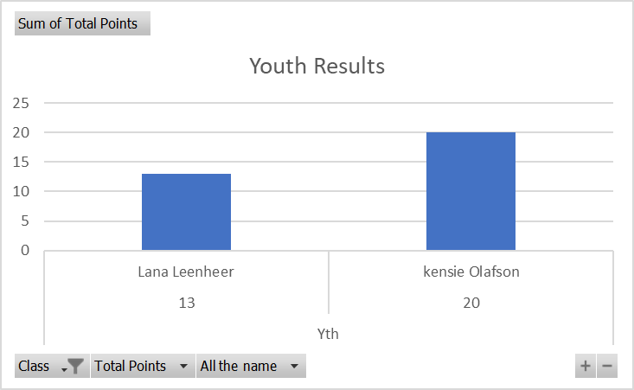
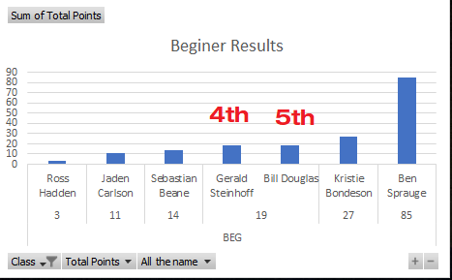
143 | SR | Brian | Ahern | Brian Ahern | 41
144 | NOV | Scott | Bremmer | Scott Bremmer | 8 | Great Lakes
145 | INT | Kristina | Howward | Kristina Howward | 19
146 | NOV | Mont | Anis | Mont Anis | 17 | Mid-Michigan
147 | BEG | Ben | Sprauge | Ben Sprauge | 85
148 | ADV | Andy | Sprauge | Andy Sprauge | 25
149 | DNF | Les | Mason | Les Mason | 7
150 | ADV | Jeremy | Mason | Jeremy Mason | 20 | East Side
151 | NOV | Jaycob | Mason | Jaycob Mason | 21 | East Side
152 | SPT | Shawn | McGinnis | Shawn McGinnis | 17
153 | BEG | Bill | Douglas | Bill Douglas | 19
154 | NOV | Steve | Beane | Steve Beane | 6
155 | BEG | Sebastian | Beane | Sebastian Beane | 14
156 | NOV | Earnie | Knepp | Earnie Knepp | 7 | Michiana
157 | INT | Connor | Mast | Connor Mast | 7
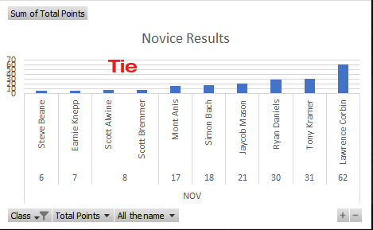
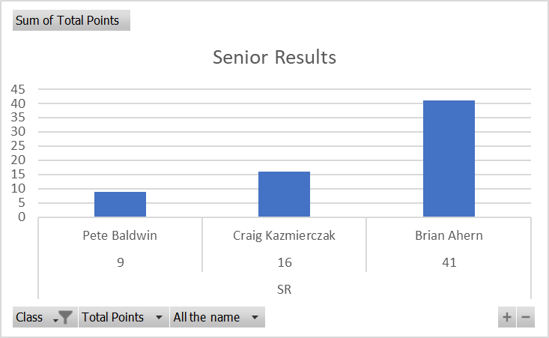
158 | SPT | Randy | Arndt | Randy Arndt | 35
159 | BEG | Kristie | Bondeson | Kristie Bondeson | 27
160 | SPT | Brian | Bondenon | Brian Bondenon | 7 | Mid-Michigan
161 | SPT | Evan | Brandenburg | Evan Brandenburg | 1 | Mid-Michigan
162 | INT | Bill | Cunningham | Bill Cunningham | 111
163 | NOV | Tony | Kramer | Tony Kramer | 31
164 | int | Phil | Bonkoski | Phil Bonkoski | 4
165 | NOV | Simon | Bach | Simon Bach | 18
166 | SPT | Kunio | Watanabee | Kunio Watanabee | 1 | Great Lakes
167 | EXP | Daiki | Watanabee | Daiki Watanabee | 15 | Great Lakes
168 | NOV | Ryan | Daniels | Ryan Daniels | 30
169 |  |  |  |  | 0
170 |  |  |  |  | 0
171 |  |  |  |  | 0
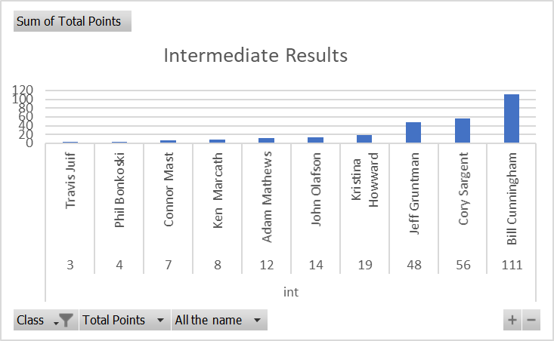
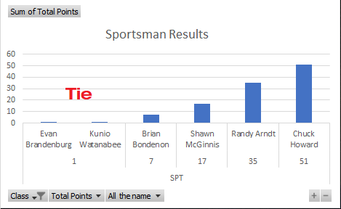
172 |  |  |  |  | 0
173 |  |  |  |  | 0
174 |  |  |  |  | 0
175 |  |  |  |  | 0
176 |  |  |  |  | 0
177 |  |  |  |  | 0
178 |  |  |  |  | 0
179 |  |  |  |  | 0
180 |  |  |  |  | 0
181 |  |  |  |  | 0
182 |  |  |  |  | 0
183 |  |  |  |  | 0
184 |  |  |  |  | 0
185 |  |  |  |  | 0
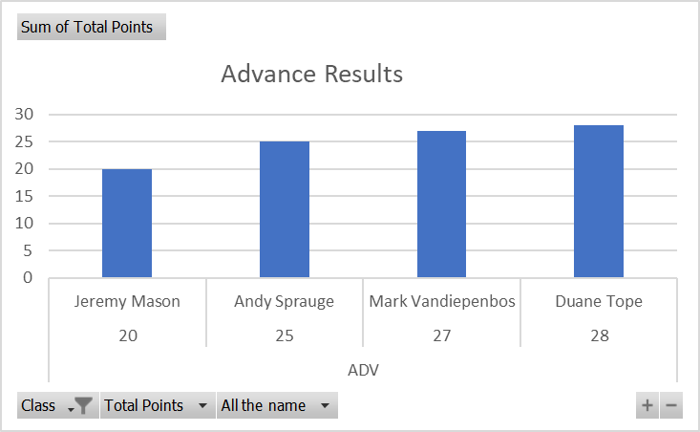
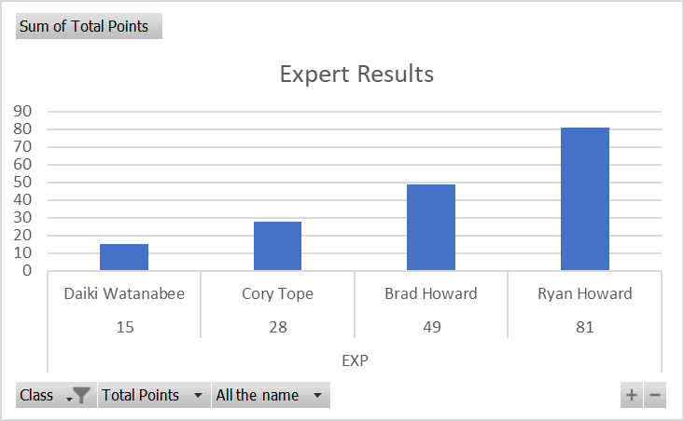
186 |  |  |  |  | 0
187 |  |  |  |  | 0
188 |  |  |  |  | 0
189 |  |  |  |  | 0
190 |  |  |  |  | 0
191 |  |  |  |  | 0
192 |  |  |  |  | 0
193 |  |  |  |  | 0
194 |  |  |  |  | 0
195 |  |  |  |  | 0
196 |  |  |  |  | 0
197 |  |  |  |  | 0
198 |  |  |  |  | 0
199 |  |  |  |  | 0
200 |  |  |  |  | 0
201 |  |  |  |  | 0

Pivot
Intermediate Results
Sum of Total Points
Class | Total Points | All the name | Total
int | 3 | Travis Juif | 3
 | 3 Total |  | 3
 | 4 | Phil Bonkoski | 4
 | 4 Total |  | 4
 | 7 | Connor Mast | 7
 | 7 Total |  | 7
 | 8 | Ken Marcath | 8
 | 8 Total |  | 8
 | 12 | Adam Mathews | 12
 | 12 Total |  | 12
 | 14 | John Olafson | 14
 | 14 Total |  | 14
 | 19 | Kristina Howward | 19
 | 19 Total |  | 19
 | 48 | Jeff Gruntman | 48
 | 48 Total |  | 48
 | 56 | Cory Sargent | 56
 | 56 Total |  | 56
 | 111 | Bill Cunningham | 111
 | 111 Total |  | 111
int Total |  |  | 282
Grand Total |  |  | 282

